grain size analysis
before the flood (2011)
after the flood (2011)
mean
percent passing(%)
particle size (mm)
* grain-size distribution of bed material (2011) _ grid sampling(Hack_1947)
particle size time | D35(mm) | D50(mm) | D65(mm) | D90(mm) | 균등계수 Coefficient of uniformity (Cu) | 곡률계수 Coefficient of curvature (Cg)
평군 (mean) | 52.05 | 54.25 | 56.26 | 59.87 | 1.31 | 1.12

* grain-size distribution of bed material (2014) _ grid sampling(Hack_1947)

* particle size distribution of suspended sediment (2014)_Laser Diffraction
 |  |  |  |  |  |  |  |  | * grain-size distribution of bed material (2014)_Sieve
No | particle size distribution of suspended sediment (%)
 | range (mm) |  |  |  |  |  |  |  | particle size time | D10 | D30 | D35 | D60 | D65 | 균등계수 Coefficient of uniformity (Cu) | 곡률계수 Coefficient of curvature (Cg)
 | 0.0020~ | 0.063~ | 0.126~ | 0.26~ | 0.51~ | 1.1~ | 2.1~ | 4.1~ | 홍수전 (before the flood) | - | - | - | - | - | - | -
 | 0.062 | 0.125 | 0.25 | 0.5 | 1 | 2 | 4 | 8 | 홍수후(after the flood ) | 9.77 | 25.68 | 29.00 | 93.20 | 95.51 | 9.54 | 0.72
1 | 86.04 | 9.05 | 2.77 | 0.36 | 0.07 | 0.12 | 0.07 | 0 | 평균 (mean) | - | - | - | - | - | - | -
2 | 86.19 | 8.49 | 2.62 | 0.73 | 0.09 | 0 | 0 | 0 | particle size time | D5 | D10 | D15 | D20 | D25 | D30 | D35 | D40 | D45 | D50 | D55 | D60 | D65 | D70 | D75 | D80 | D85 | D90 | D95 | D100
mean | 86.11 | 8.77 | 2.69 | 0.55 | 0.08 | 0.06 | 0.04 | 0 | 홍수전 (before the flood) | - | - | - | - | - | - | - | - | - | - | - | - | - | - | - | - | - | - | - | -
 |  |  |  |  |  |  |  |  | 홍수후 (after the flood ) | 3.50 | 9.77 | 14.93 | 19.24 | 23.24 | 25.68 | 29.00 | 32.23 | 38.98 | 45.00 | 90.00 | 93.20 | 95.51 | 98.88 | 101.55 | 104.75 | 122.10 | 160.66 | 170.22 | 180.00
 |  |  |  |  |  |  |  |  | 평균 (mean) | - | - | - | - | - | - | - | - | - | - | - | - | - | - | - | - | - | - | - | -

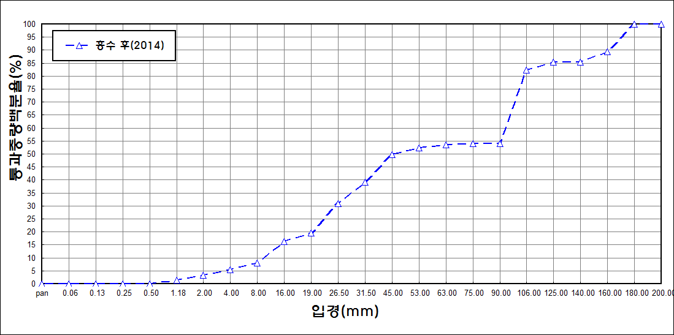
after the flood (2014)
percent passing(%)
particle size (mm)

